Sheet1
Pump Comparison

Name | Category Weight | 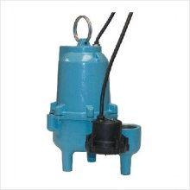 Little Giant 509560 Steel |  | 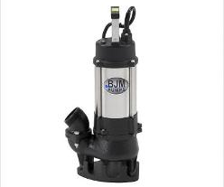 BJM1008 - SV-Series |  | 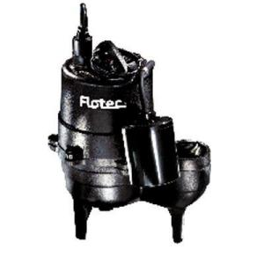 Flotec Model # FPSE3601A |  | 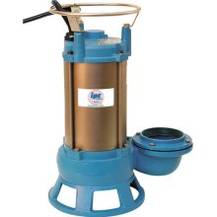 IPT model#5760-IPT-95 |  | 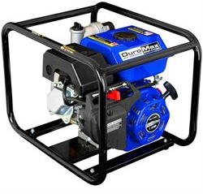 DuroMax: Mfg Part#: XP650WP |  | 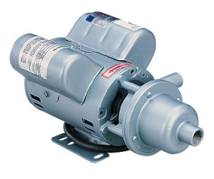 Moyno WU-75400-56 |  | Acetone/ Organic Solvents
Type | 1 | sewage/effluent |  | solids handling |  | sewage |  | shredder/sewage |  | Trash |  | progressive cavity
Power Source | 1 | 115v |  | 115v/7.5A and 230V/3.8A w/no plugs |  | 115V/13A |  | 115V |  | Gas - (2.4 hours average use/tank of gas) |  | NOT INCLUDED!
Motor Power | 1 | not given |  | 0.5 HP |  | 0.5 HP |  | 1 HP |  | 7 HP OHV (?) - 3 in centrifugal pump |  | 0.5 HP
Primary use | 1 | sump pump |  |  |  | Submersible Sewage Pump |  | sewage water applications |  | water and solids (trash) |  | high viscosity or particle laden
Solids Handling? | 0- H20, 10-bricks | no info given | 3 | up to 90% of output dia (2") | 9 | up to 2" | 9 | yes | 9 | yes - not stated, similar pumps are 3/4" | 3 | yes, 1/8" max | 1
Cost | 10-free, 0- 1000 | $170-$320 | 9 | $260 | 9 | $239-$301 | 9 | $800 | 3 | $219.99 | 9 | $279 | 9
Reference | 1 | google shop |  | google shop-sears |  | google shop |  | google shop/amazon |  | Buy.com |  | google shop
Additional Notes | 1 | high performance and low amp draw | 3 | max head=22', cable length 33', 40lbs stainless steel body "Vortex impellers...invented for the handling of mud, raw sewage, viscious liquids, rags, wood chips and other solids" | 3 | 10' cable length Cast Iron 38lbs | 3 | "...carbide tipped impeller to prevent clogging and reduce maintenance when cutting through stringy, fibrous and sludge type waste." | 9 | max suction = 26ft head 3 in connections cast iron sleeve and impeller 2.4 hours average use/tank of gas | 9 | max wet suction= 25ft port size= 1" no valves, pistons or gears DOES NOT include motor | 3 | relatively unknown…
Total |  |  | 15 |  | 21 |  | 21 |  | 21 |  | 21 |  | 13

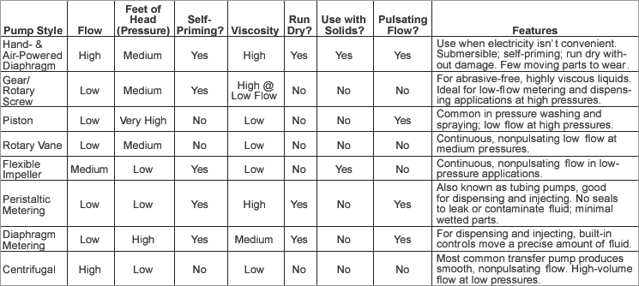
chart from McMaster Carr

